Project3448
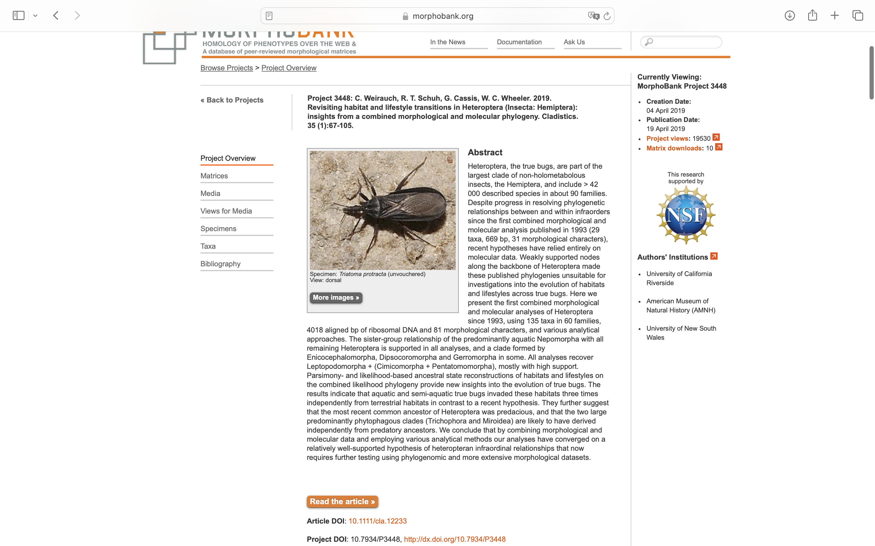
Charlabels | Character Pattern | Unseen States
[1] 'constriction of head behind eyes' | Neomorphic | NO
[2] 'antenniferous tubercle adjacent to antennal base' | Neomorphic | NO
[3] 'mandibular plates' | Transformational | YES
[4] 'eyes' | Transformational | YES
[5] 'ocelli' | Neomorphic | NO
[6] 'ocellar position' | Transformational | YES
[7] 'cephalic trichobothria' | Neomorphic | NO
[8] 'base of cephalic trichobothria' | Transformational | NO
[9] 'antennal segments' | Transformational | YES
[10] 'antennal position in repose' | Transformational | YES
[11] 'scape' | Transformational | YES
[12] 'pedicel' | Transformational | YES
[13] 'basiflagellomere' | Transformational | YES
[14] 'distiflagellomere' | Transformational | YES
[15] 'pedicellar trichobothria' | Neomorphic | NO
[16] 'labial insertion' | NT?;0=0-;1=11;2=12
[17] 'labial segment 1' | NT?;0=0-;1=11;2=12
[18] 'labium (shape)' | Transformational | YES
[19] 'stylets, inside head' | Transformational | NO
[20] 'buccula' | Transformational | YES
[21] 'scutellum' | Transformational | YES
[22] 'depression on prosternum for receipt of labium' | NT2;0=0-;1=11;2=12
[23] 'depression on mesosternum for receipt of labium' | Neomorphic | NO
[24] 'pleural sulcus/ridge' | Neomorphic | NO
[25] 'forewing' | Transformational | YES
[26] 'forewings' | Transformational | YES
[27] 'frena' | Neomorphic | NO
[28] 'druckknopf system' | Neomorphic | NO
[29] 'tile-ike microtrichia on mesopleuron located on' | Transformational | YES
[30] 'anteriormost longitudinal vein (costa or subcosta)' | Transformational | YES
[31] 'claval commissure' | NT?;0=0-;1=11;2=12
[32] 'costal fracture' | NT?;0=0-;1=11;2=12
[33] 'foreleg tarsus and tibia' | Transformational | NO
[34] 'metacoxal adhesive pad' | Neomorphic | NO
[35] 'coxal bases' | Transformational | YES
[36] 'fossula spongiosa' | Neomorphic | NO
[37] 'tarsal segmentation (foreleg)' | Transformational | YES
[38] 'tarsal segmentation (hindleg)' | Transformational | YES
[39] 'tarsal segmentation first instar immature (midleg)' | Transformational | YES
[40] 'parempodia' | NT?;0=11;1=12;2=13;3=14;4=0-
[41] 'pulvillus' | NT?;0=11;1=0-;2=12
[42] 'setiform dorsal arolium' | NT?;0=11;1=12;2=0-
[43] 'ventral vermiform arolium' | Neomorphic | NO
[44] 'bladderlike arolium' | Neomorphic | NO
[45] 'dorsal laterotergites' | Neomorphic | NO
[46] 'ventral laterotergites' | Neomorphic | NO
[47] 'spiracle 2--8, postion' | Transformational | YES
[48] 'genital plates in male' | NT?;0=11;1=12;2=0-
[49] 'subgenital plate in female' | Transformational | YES
[50] 'first abdominal spiracle' | Neomorphic | NO
[51] 'abdominal grasping apparatus laterally between segments 2 and 3' | NT2;0=0-;1=11;2=12
[52] 'paramere' | Transformational | NO
[53] 'reel system of aedeagus' | Neomorphic | NO
[54] 'apical helicoid endosomal process' | Neomorphic | NO
[55] 'ejaculatory reservoir of endosoma' | Neomorphic | NO
[56] 'spermatheca' | NT?;0=11;1=12;2=0-;3=13;4=14
[57] 'tripartite spermatheca' | Transformational | NO
[58] 'spermatheca (function)' | Transformational | NO
[59] 'paired pseudospermathecae' | NT?;0=11;1=0-;2=12
[60] 'Ekblom"s organ' | Neomorphic | NO
[61] 'trichobothrial "pads" (trichoma)' | Neomorphic | NO
[62] 'trichobothrial pattern on abdominal sternum 3' | Transformational | YES
[63] 'trichobothrial pattern on abdominal sternum 4' | Transformational | YES
[64] 'trichobothrial pattern on abdominal sternum 5' | Transformational | YES
[65] 'trichobothrial pattern on abdominal sternum 6' | Transformational | YES
[66] 'trichobothrial pattern on abdominal sternum 7' | Transformational | YES
[67] 'length of abdominal trichobothria' | Transformational | YES
[68] 'egg respiratory structures' | Transformational | YES
[69] 'alary muscles of heart' | Transformational | YES
[70] 'origin of aliform muscles AM8 and AM9 of heart' | Transformational | YES
[71] 'origin of aliform muscle AM7 on heart' | Transformational | YES
[72] 'gastric caecae on midgut' | Neomorphic | NO
[73] 'ileum' | Transformational | YES
[74] 'metathoracic scent-gland opening' | NT?;0=11;1=12;2=0-
[75] 'metathoracic scent gland opening, surrounding cuticle' | Transformational | NO
[76] 'Brindley"s gland' | Neomorphic | NO
[77] 'DAG 3 and 4 (in immatures)' | NT?;0=0-;1=11;2=12
[78] 'DAG 4 and 5 (in immatures)' | Neomorphic | NO
[79] 'DAG 5 and 6 (in immatures)' | Neomorphic | NO
[80] 'DAG 6 and 7 (in immatures)' | NT?;0=0-;1=11;2=12
[81] 'insemination' | Transformational | YES

